Sheet1
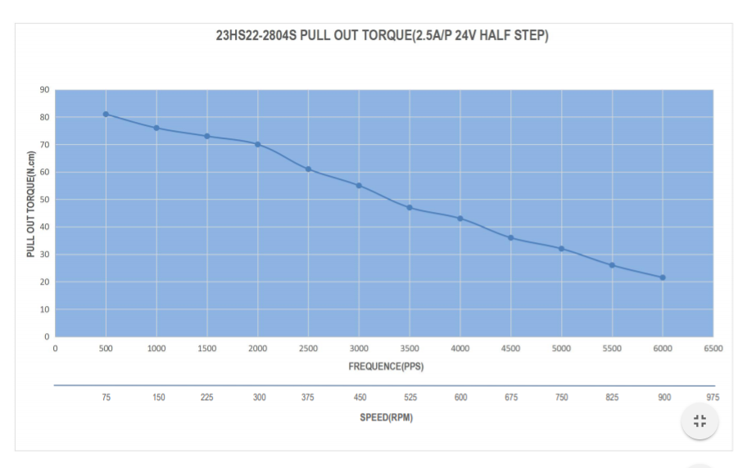
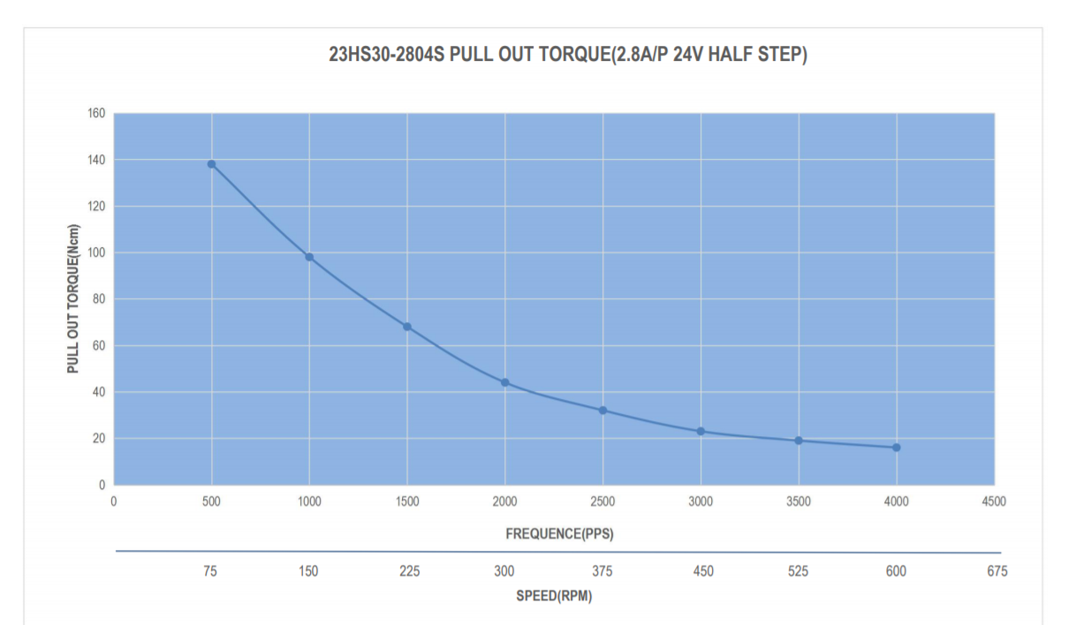
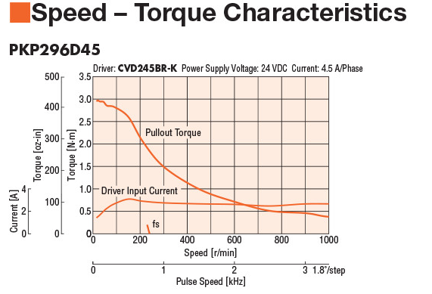
Igus Joint | Gear Ratio | RPM (Joint) | RPM(Motor) | Torque @ RPM (N-m) | Joint Efficiency | Torque Transferred(N m) | Torque Needed (N m) | Max Torque Allowed (N m)
RLD-20-S-38-ST | 38 | 12 | 456 | 0.5 | 0.4 | 7.6 | 1.5
RLD-30-S-50-ST | 50 | 3 | 150 | 0.75 | 0.4 | 15 | 10
RLD-50-S-48-ST | 48 | 5 | 240 | 1.8 | 0.4 | 34.56 | 30.7
RLD-50-A-48-ST | 48 | 6 | 288 | 0.72 | 0.4 | 13.824 | 6.606

NEMA 23 (single Stack) |  |  | NEMA 23 Double Stack |  | Nema 34 Single Stack

